Eligible Expenses
The guidelines for eligible Maintenance and Ramp-up costs are below. For more information you can refer to the FAQs by clicking on the link below:
https://www.sshrc-crsh.gc.ca/funding-financement/crcef-fucrc/faq/ramp-up_costs-couts_de_reprise-eng.aspx#4

Eligible Expenses:

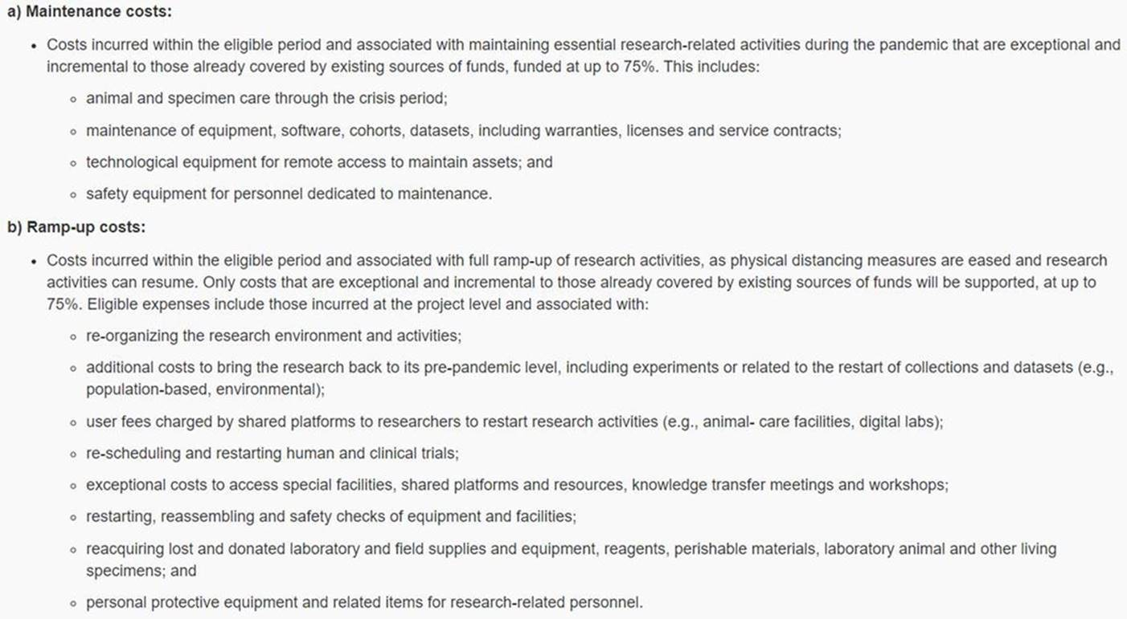

Specific Requirements for Animal Costs being claimed for reimbursement
(per discussion with VPR's Office and Animal Care groups on January 15, 2021)

1) Maximum allowed for animal per diems will be 50%;
2) Justification for animal per diems and purchasing of animals (to re-establish colonies) will be required;
3) Animal costs can only be claimed under maintence or ramp-up cost only, but not both.

Insert signature to Excel doc
Create and insert a handwritten signature

1. Write your signature on a piece of paper.

2. Take a picture of the signature on a digital device. To save it on your computer, you can email the picture and save in a common file format: .bmp, .gif, .jpg, or .png.

3. To add the signature to a document, click Insert

 | Excel 2007-2013

 | Excel 2016 and later
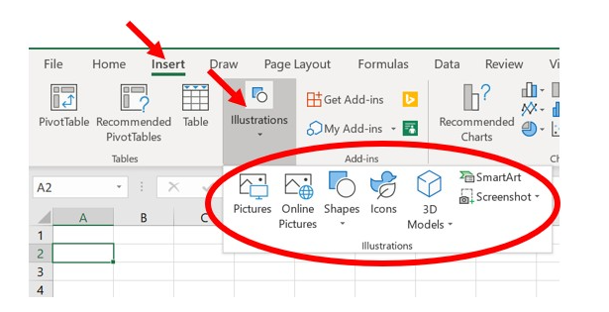

4. Resize the inserted image to fit in the signature line.

